US After
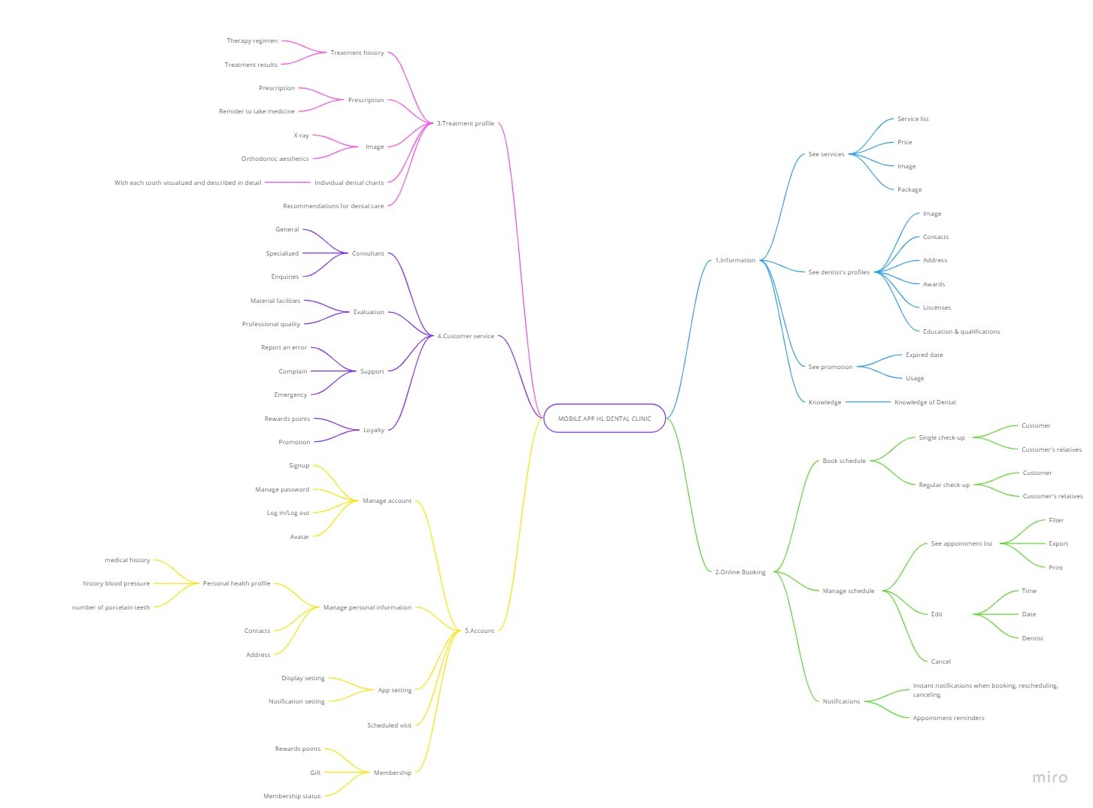
USER STORY HL DENTAL CLINIC
As a role | I want |  |  | Goal (So that) | User Story Point | Pritoriry | Sprint
 | Epic | Sub-Epic | User Story
Customer | Information | I want to see HL dental's services | I want to see HL's services list | To know what treatment could be performed |  | 5 | 1
 |  |  | I want to see HL's services price | To prepare the correct amount of money |  | 5 | 1
 |  |  | I want to know each service's treatment regime | To know how long would it take and which procedures will be taken for each service |  | 2 | 2
 |  |  | I want to see HL's past customer's results | To increase my trust in using HL's services |  | 4 | 2
 |  | I want too see HL dental's information | I want to see HL's insurance information | To reassure myself to use HL's services |  | 3 | 2
 |  |  | I want to see HL's awards in oral taking care processes | To make sure the dental is qualified |  | 3 | 2
 |  |  | I want to see HL's operational certificate | To know whether the dental is eligible for operation or not |  | 3 | 2
 |  |  | I want to see HL's working days | To only come or seek support when HL is open |  | 3 | 2
 |  |  | I want to see HL's branches | To receive treatments where it's near to my current location |  | 4 (2)
 |  |  | I want to see HL's hotlines | To seek immediate support when emergency |  | 4 (2)
 |  |  | I want to know HL's payment channels | To choose the most suitable payment channel
 |  | I want too see the dentist's information | I want to see HL dentist's profiles | To see where the dentists are qualified or not |  | 4
 |  |  | I want to know the dentist's contact | To contact incase of emergency |  | 2
 |  | I want too see promotion programs | I want to see the current discounts available | To get some discount for my treatment
 |  |  | I want to know HL's package deals | To purchase to save money
 |  | I want to see articles of knowledge from the dental | I want to read the knowledgement articles | To have more knowledge about taking care teeth |  | 5 | 1
 |  |  | I want to share the articles | To share good information with my family |  | 5 | 1
 |  |  | I want to leave my reaction to the articles | To show how quality the articles are |  | 5 | 1
 |  | I want to search and categorize information | I want to search information | To find related post quickly |  | 5 | 1
 |  |  | I want to select type of information | To find related posts in each type of information |  | 5 | 1
Customer | Online Booking | I want to book schedule | I want to book an appointment | To book an appointment in advance |  | 5 | 1
 |  |  | I want to book many appointments | To schedule a cyclical dental visit |  | 5 | 1
 |  |  | I want to check real-time availability: nearest branch, time, services, dentists | To choose a suitable appointment |  | 4 | 1
 |  |  | I want to provide my symptoms | To get appropriate treatment |  | 1 | 2
 |  |  | I want to pay reserve fee (for normal customer) | To ensure that I have an appointment
 |  |  | I want to know HL's payment methods | To choose the most suitable payment method
 |  |  | I want to receive reserve fee | To get back my money when my appointment was cancelled
 |  |  | I want to register my payment method | To quickly finish the payment
 |  | I want to manage my schedule | I want to see my appointment list | To view all sheduled appointments
 |  |  | I want to reschedule | To adjust the meeting if I'm busy
 |  |  | I want to cancel my appointment | To avoid no shows and get a refund for my prepayment
Customer | Treatment Profile | I want to see treatment history | I want to see the specific date and time I had treatment | I know exactly how long i have had the treatment and how effective it is over time as the doctor says |  | 5 | 1
 |  |  | I want to know who is doctor treated for me | To evaluete the doctor who saw me and request a change of doctor if nescessary |  | 4 (2) | 1
 |  |  | I want to see my treatment record | To know how my medical condition is now
 |  |  |  | To see what treatments have I received |  | 4 (1) | 1
 |  |  | I want to see my medicine bill when checking treatment record | To see what medicines I have taken each treatment |  | 4(3) | 1
 |  |  | I want to see my prescriptions and dentist's notes | To see what I need to take or to do at home |  | 3 | 2
 |  |  | I want to see my cost for each treatment | To see how much it costed me for each treatment |  | 2 | 2
 |  |  | I want to know the total bill for that treatment | To see what discount vouchers i have |  | 4 (4) | 1
 |  |  |  | To see how much i paid
 |  |  |  | To see how much i have left over
 |  |  |  | To know what kind of medicine i used
 |  |  | I want to get points added after each treatment | To level up my loyalty |  | 1 | 2
Customer | Consulting service | I want to chat with HL dental | I want to know the dental examination process | To comply with the medical examination procedures of the clinic |  | 4 | 1
 |  |  | I want to know the specific price of each dental service | To know the exact price I need to pay |  | 1 | 2
 |  |  | I want to know information of sale promotion | To take any advantage of any discounts or special offers |  | 2 | 2
 |  |  | I want to be consulted about the benefits for members | To maximize my benefits |  | 3 | 1
 |  |  | I want to directly connect with specialist dentist | To receive professional advice and recommendations on my dental health |  | 3 | 1
 |  | I want to call HL dental's hotline | I want to receive direct advice from a specialist dentist | To consider my dental health condition
 |  |  | I want help in case of an emergency | To get support quickly and minimize serious risks
 |  |  | I want advice about my dental symptoms or those of my family | To know dental health condition and seek help if necessary
 |  | I want to feedback HL dental clinic | I want to feedback about the material facilities | To improve the experience service |  | 3 | 1
 |  |  | I want to feedback about professional quality | To receive better take care of my dental health |  | 5 | 1
Customer | Account | I want to manage my account | I want to register an account | To use the mobile app |  | 5 | 1
 |  |  | I want to change my password | To change to another password |  | 5 | 1
 |  |  | I want to renew my password | To renew my password incase my forget my current password |  | 5 | 1
 |  |  | I want to log in my account | To get in my account |  | 5 | 1
 |  |  | I want to log out my account | To change to another account if needed |  | 5 | 1
 |  | I want to manage my personal information | I want to update my health condition | To get appropriate treatment |  | 4 | 2
 |  |  | I want to update my pesonal contacts (phone, email, address) | To allow HL's customer service reach me easily |  | 5 | 1
 |  | I want to check my membership status and coupons | I want to check my loyalty status | To know which level of favor I have
 |  |  | I want to check my reward points | To know when I could level up my loyalty status
 |  |  | I want to see my gifts | To know how many discount that I get
 |  | I want to set up my app | I want to change my display setting | To meet my preference
 |  |  | I want to change my notification setting | To receive noti easily

Product&Sprint Backlog
RELEASE AT SPRINT 1_CORE PRODUCT
PRODUCT BACKLOG |  |  |  |  | SPRINT BACKLOG
HIGH PRIORITY | Customer Information | Online Booking | Treatment Profile | Customer Service | FORECAST | TO DO | IN-PROGRESS | DONE
 |  |  |  |  |  |  |  |  | FOCUS CORE FUNCTION OF PRODUCT

 | 5. Manage account | 5. Book an appointment | 5. See the specific date and time I had treatment | 5. I want help in case of an emergency
 | 4. Provide anamnesis profile | 4. Manage an appointment (see appointment list, reschedule, cancel) | 4. See my treatment record | 4. I want to know the dental examination process
 |  | 3. Check real-time availability: nearest branch, time, services, dentists | 3. Know who is doctor treated for me | 3. I want to directly connect with specialist dentist
 |  | 2. Receive appointment reminder | 2. See my medicine bill when checking treatment record | 3. I want to receive direct advice from a specialist dentist
 |  | 1. Provide symtoms | 1. Know the total bill for that treatment | 3. I want to be consulted about the benefits for members
RELEASE AT SPRINT 2_ADDITIONAL FEATURE
 | 5. Check HL info | 5. Choose payment method | 3. See my prescriptions and dentist's notes | 2. I want to know information of sale promotion
 | 4. Manage anamnesis profile | 4. Apply discounts | 2. See my cost for each treatment | 2. I want advice about my dental symptoms or those of my family
 |  | 3. Receive notifications (booked, rescheduled, canceled) | 1. Get points added after each treatment | 1. I want to know the specific price of each dental service
 |  | 2. Book many appointments
RELEASE AT SPRINT 3_LOYALTY IMPROVEMENT

LOW PRIORITY

